Sheet1
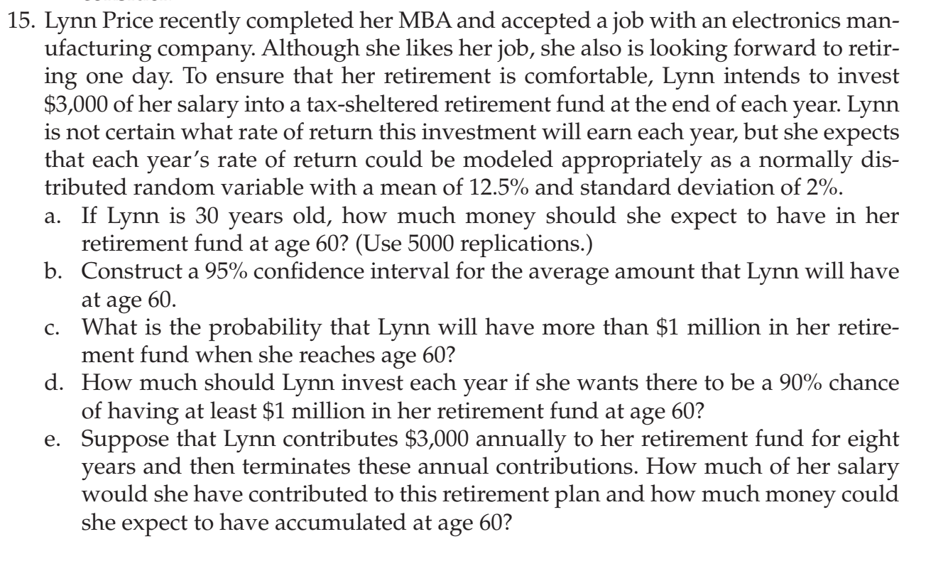
 | Rate of return | Normally Distributed
 | Mean | 12.50%
 | sd | 2.00%

Year | Salary Investment | Rate of Return | end of year fund
30 | $3,000 | 0.00% | $3,000
31 | $3,000 | 0.00% | $6,000
32 | $3,000 | 0.00% | $9,000
33 | $3,000 | 0.00% | $12,000
34 | $3,000 | 0.00% | $15,000
35 | $3,000 | 0.00% | $18,000
36 | $3,000 | 0.00% | $21,000
37 | $3,000 | 0.00% | $24,000
38 | $3,000 | 0.00% | $27,000
39 | $3,000 | 0.00% | $30,000
40 | $3,000 | 0.00% | $33,000
41 | $3,000 | 0.00% | $36,000
42 | $3,000 | 0.00% | $39,000
43 | $3,000 | 0.00% | $42,000
44 | $3,000 | 0.00% | $45,000
45 | $3,000 | 0.00% | $48,000
46 | $3,000 | 0.00% | $51,000
47 | $3,000 | 0.00% | $54,000
48 | $3,000 | 0.00% | $57,000
49 | $3,000 | 0.00% | $60,000
50 | $3,000 | 0.00% | $63,000
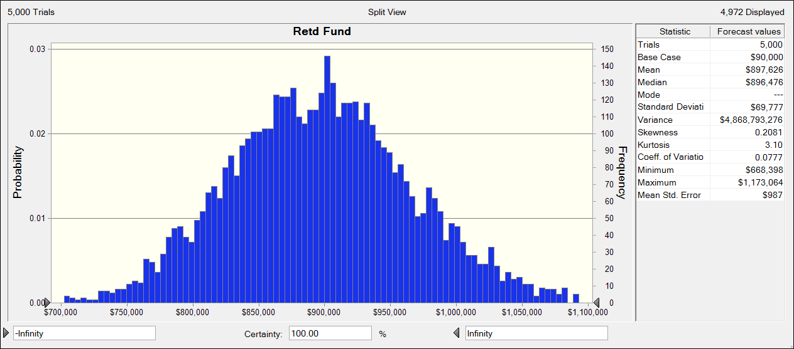
51 | $3,000 | 0.00% | $66,000
52 | $3,000 | 0.00% | $69,000
53 | $3,000 | 0.00% | $72,000
54 | $3,000 | 0.00% | $75,000
55 | $3,000 | 0.00% | $78,000
56 | $3,000 | 0.00% | $81,000
57 | $3,000 | 0.00% | $84,000
58 | $3,000 | 0.00% | $87,000
59 | $3,000 | 0.00% | $90,000
60
 |  | Retd Fund | $90,000

